Passive Income Planner
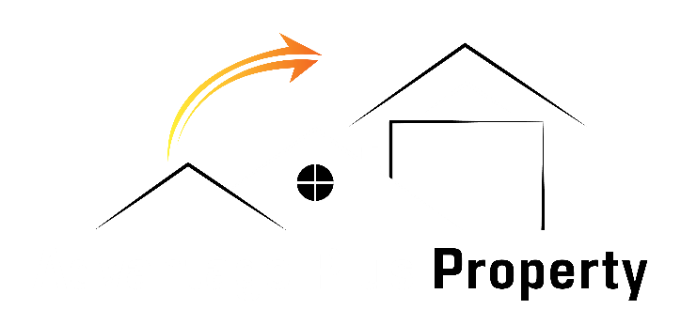
 |  |  |  |  |  |  |  | Passive Income Goal Planner

 | WHO:
 | WHAT: |  | To achieve a passive income of |  |  |  |  |  |  |  |  |  | per annum
 | WHEN: |  |  |  | Years
 | WHY: |  | • • • • •

 | HOW: |  | Yield | 4.00% |  |  |  |  | Avg Property Value |  | $500,000
 |  |  | <3.5% - | Conservative |  |  |  |  | $550,000 - |  | Australian Median
 |  |  | 4.0% - | Average |  |  |  |  | $630,000 - |  | Capital Cities Median
 |  |  | >4.5% - | Advantage Plus |  |  |  |  | $770,000 - |  | Sydney and Melbourne Median

 | Property Requirements
 | Min IP Portfolio Value |  |  | 0 |  |  |  |  | Owner Occupied Home(s)
 | Number of IP's |  |  | 0 |  |  |  |  | OO Home(s) Value
 | Investment Portfolio LVR |  |  |  |  |  |  |  | Owner Occupied LVR
 | Likely IP Portfolio Value |  |  | $0
 |  | Total |  | 0 |  |  | Properties |  | Valued at | $0

 | Total Repayment Considerations
 | Principal | $0 |  |  |  |  | IP Interest | $0 |  | OO Interest |  |  |  | $0
 |  |  |  |  |  |  | IP Rate | 4.50% |  | OO Rate |  |  |  | 4.00%
 | Total | $0

 | Yearly Servicing Considerations
 | Repayment Total |  |  |  |  | $0.00 |  |  | Mortgage Stress |  |  | 30%
 | PAYG Annual Income (ex Rent) |  |  |  |  |  |  |  | Income from Rent |  |  | $0
 | PAYG Income Available |  |  |  |  | $0 |  |  | Max Funds Available |  |  | $0
 | Difference |  |  |  |  | $0
 | Note* A positive value indicates you may have the funds required to fulfill your passive income goal. A negative number indicates that you will likely need to acquire or manufacture further funds to support your goals.

This guide is not intended as legal, financial or investment advice and should not be construed or relied on as such. Before making any commitment of a legal or financial nature you should seek advice from a qualified and registered legal practitioner or financial or investment adviser.

